v2
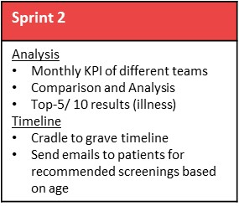
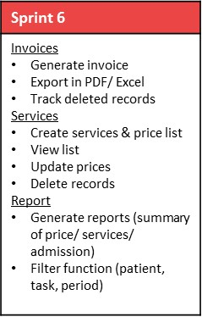
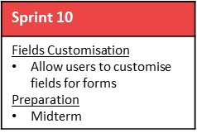
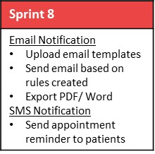
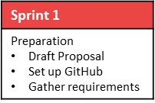
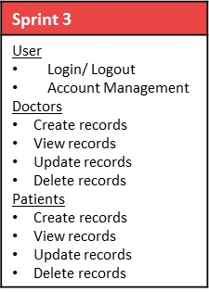
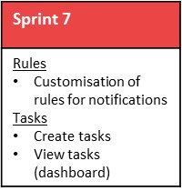
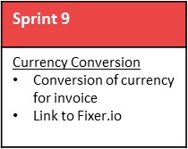
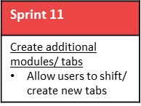
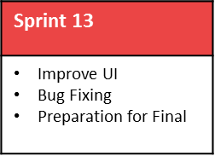

User Testing 1
28 Oct
User Testing 2
10 Feb
User Testing 3
17 Mar

1
2
3
4
5
6
7
8
9
10
11
12
13
14
15

4 Oct
18 Oct
1 Nov
15 Nov
29 Nov
13 Dec
27 Dec
10 Jan
24 Jan
7 Feb
21 Feb
6 Mar
20 Mar
3 Apr
17 Apr
Proposal Submission
17 Oct
Acceptance
7 Nov
Midterm
20 Feb
Poster
27 Mar
Final
10 Apr

v1
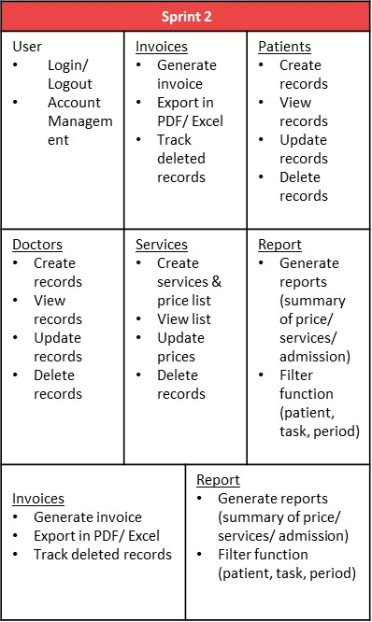
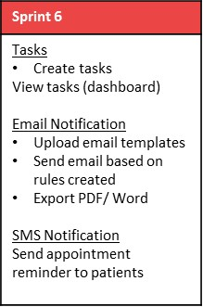
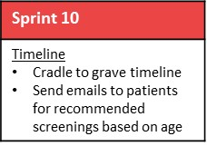
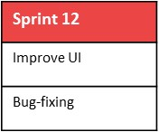
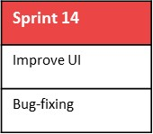
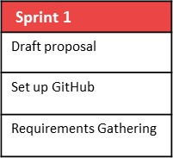
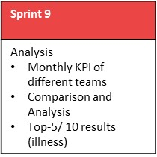

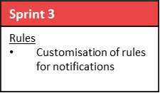 | 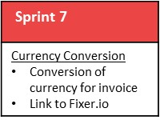 | 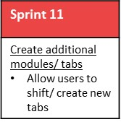 | 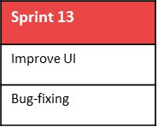

User Testing 1
28 Oct
User Testing 2
16 Feb
User Testing 3
TBC

1
2
3
4
5
6
7
8
9
10
11
12
13
14
15

4 Oct
18 Oct
1 Nov
15 Nov
29 Nov
13 Dec
27 Dec
10 Jan
24 Jan
7 Feb
21 Feb
6 Mar
20 Mar
3 Apr
17 Apr
Proposal Submission
17 Oct
Acceptance
7 Nov
Midterm
20 Feb
Poster
27 Mar
Final
10 Apr

